Instructions


Mike Causey
Commissioner of Insurance |  | 1201 Mail Service Center | Actuarial Services Division
www.ncdoi.com |  | Raleigh, NC 27699-1201 | DataCall@ncdoi.gov

Subject: | N.C.G.S. §58-57-110, 11 NCAC 16.0501-.0504, and §58-2-190 - Credit Unemployment Insurance
Written Period: | 1/1/2022-12/31/2022
Due Date: | 2023-06-30

According to North Carolina General Statute §58-57-110, 11 NCAC 16.0501-.0504, and §58-2-190, companies writing involuntary unemployment insurance in North Carolina must provide the needed data to calculate the required minimum annual incurred loss ratio in a format prescribed and designated by the Commissioner.

General Instructions:
1. Written Period: Policies with inception date from 1/1/2022 through 12/31/2022.
2. Input the information and the data only in the blue highlighted areas.
3. Save this excel file after completing inputting.
4. Email the complete excel file to us via the email address DataCall@ncdoi.gov with the subject
"XXXXX-2022_NC_58-57-110". Replace "XXXXX" with your company's 5 digit NAIC code.

Specific Instructions to Complete the Verification Form
1. Type in the required information in the blue highlighted areas.
2. It is required that the Contact Person sign the Form by typing the name of the Contact as a signature in the Form.

Specific Instructions to Input Data in Worksheets DataInput_IUI
1. Input data in the blue highlighted areas in the suggested formats.
2. Use consistent methodologies for calculations in this data call with those used for reports to the NAIC. The
instructions from the NAIC regarding "Credit Insurance Experience Exhibit" are included in the worksheets
NAIC_Credit_Ins_Exp_Exhibit and NAIC_Earned_Premium_Conversion as a reference for the company's convenience.
3. Details of columns:
1) Net written premium: the difference of gross written premium and refunds on terminations;
2) Actual earned premium: net written premium plus premium reserves start of the year, minus premium reserves
end of the year;
3) Earned premium on current level: Re-state "actual earned premium" using the maximum rate 1.194 from Ted Hamby's
most recent letter (using a hypothetical 12 month loan term) as a base;
4) Earned premium at prima facie rates: using the same procedure as instructed by the NAIC (attached);
5) Incurred claims: claims paid minus unreported claim reserves start of the year, plus unreported claims reserve end of
the year minus claims reserves start of the year, plus claims reserves end of the year;
6) Incurred (reported) claim count: number of claims during the year; one claimant paid multiple times counts as 1;
7) Incurred commissions and service fees;
8) Average rate on current level per $100 SP / $1,000 MOB;
9) Initial insured indebtedness (III) / MOB (averaged and annualized): The III aggregated over all persons and certificates;
or the MOB averaged over all months in that year and annualized (if less than a full year). This is actual III or MOB and
not in hundreds (SP) or thousands (MOB)
10) Average initial term of loan (months): Completing these cells is optional for MOB business since some insurers do not
collect this data
11) Average number of benefits paid per claim: The number of payments, averaged over all claims;
12) Percent of premiums earned on a single life basis: The percent of Single Life basis (the complementary percent would
be on a Joint Life basis)

If you have any question or concern, please email to DataCall@ncdoi.gov

We greatly appreciate your cooperation in this matter.

NAIC_Credit_Ins_Exp_Exhibit
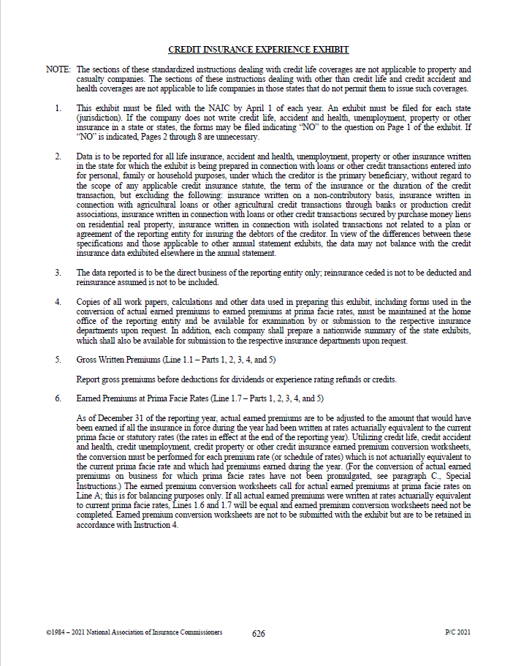

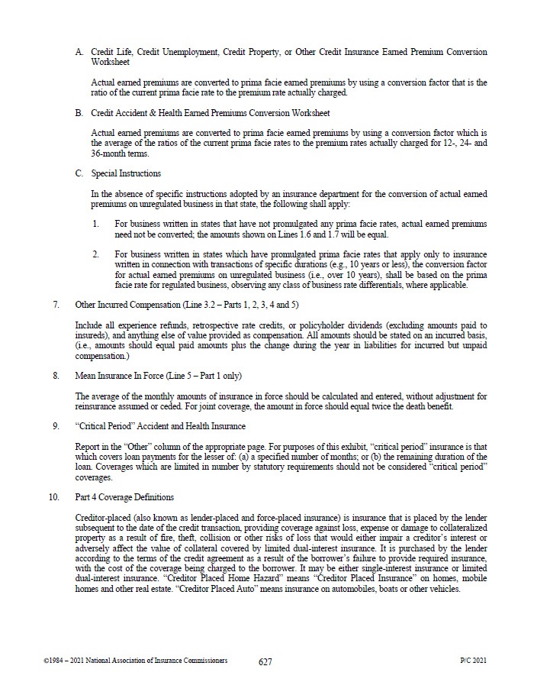

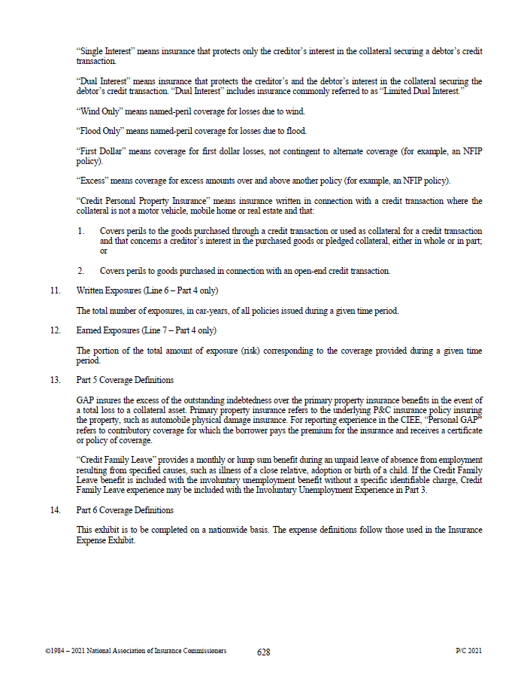

NAIC_Earned_Premium_Conversion
